Sign-up Sheets
XYZ Camp Out |  |  | Dates

Chuck/Panthers Patrol

Name | Attending | NOT Attending | Leadership Role | Notes
Alex Casey
Thomas Fair
Graham Holmes
Michael Iwanisek
Andy Lam
Robbie Proffitt
Justin Burdett
Matthew Hodnett
Matthew Kuwalik
Troy Sturdivant

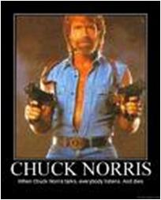
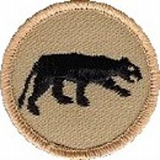
 |  |  | SPL= Troop Senior Patrol Leader
 |  |  | PL = Patrol Leader
 |  |  | APL= Asst. Patrol Leader
 |  |  | GM = Patrol Grubmaster
 |  |  | QM = Patrol Quartermaster
 |  |  | TG = Troop Guide
 |  |  | CA = Troop Chaplain's Aide
 |  |  | BU = Troop Bugler
XYZ Camp Out |  |  | Dates

Cobra/Generic/Arrows Patrol

Name | Attending | NOT Attending | Leadership Role | Notes
Stephen Frein
Brandon Hodnett
Josh Jones
Peter Michaud
Rob Sprankle
Rob Sprankle
Josh Thomas
Josh Thomas
Sean Colby
Seth Colby
Sam Gale
Joe Huergo
Kenny Jones

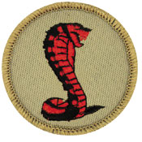

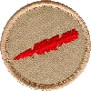
 |  |  |  | SPL= Troop Senior Patrol Leader
 |  |  |  | PL = Patrol Leader
 |  |  |  | APL= Asst. Patrol Leader
 |  |  |  | GM = Patrol Grubmaster
 |  |  |  | QM = Patrol Quartermaster
 |  |  |  | TG = Troop Guide
 |  |  |  | CA = Troop Chaplain's Aide
 |  |  |  | BU = Troop Bugler
XYZ Camp Out |  |  | Dates

Raiders Patrol

Name | Attending | NOT Attending | Leadership Role | Notes
Liam Bailey
Javier Castillo
Matthew Fiely
Ross Gattis
Andy Jones
Noah Luxford
Ernesto Rivera-Saquerta
Taylor Willis

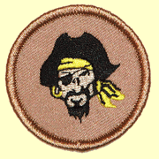
 | SPL= Troop Senior Patrol Leader
 | PL = Patrol Leader
 | APL= Asst. Patrol Leader
 | GM = Patrol Grubmaster
 | QM = Patrol Quartermaster
 | TG = Troop Guide
 | CA = Troop Chaplain's Aide
 | BU = Troop Bugler
XYZ Camp Out |  |  | Dates

Old Goats Patrol
Name | Attending | NOT Attending | IF Driving, # Occupants Including Driver | DL # and Insurance $pp / $pa / $pd
David Burdett
Mike Casey
Frank Castillo
Bill Dvorak
Mike Fair
Joe Fiely
Sam Fouse
Don Fowler
Mike Frein
Joseph Heil
Harold Hodnett
Greg Jones
Mike Jones
John Kruse
Allan Proffitt
Tim Stammers
Stuart Thomas
John Willis

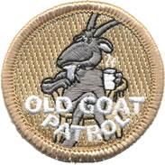
 | GM = Patrol Grubmaster
 | QM = Patrol Quartermaster
 | TA = Trip Advisor (Reservations, Tour Permit, Fees, etc.)

XYZ Camp Out |  |  | Dates

Eagle Patrol

Name | Attending | NOT Attending | Leadership Role | Notes
Jonathan Babb
C.J. Hicks.
Jefferson Norwood
Ian Reetz
Derek Rose
Dylan Skiscim

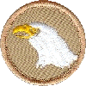 | SPL= Troop Senior Patrol Leader
 | PL = Patrol Leader
 | APL= Asst. Patrol Leader
 | GM = Patrol Grubmaster
 | QM = Patrol Quartermaster
 | TG = Troop Guide
 | CA = Troop Chaplain's Aide
 | BU = Troop Bugler
XYZ Camp Out |  |  | Dates

Phoenix Patrol

Name | Attending | NOT Attending | Leadership Role | Notes
Burdette, Cameron
Foscato, Jake
Hixson, Ian
Vink, Cameron

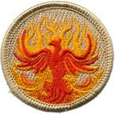
 | SPL= Troop Senior Patrol Leader
 | PL = Patrol Leader
 | APL= Asst. Patrol Leader
 | GM = Patrol Grubmaster
 | QM = Patrol Quartermaster
 | TG = Troop Guide
 | CA = Troop Chaplain's Aide
 | BU = Troop Bugler

